Çizelge1
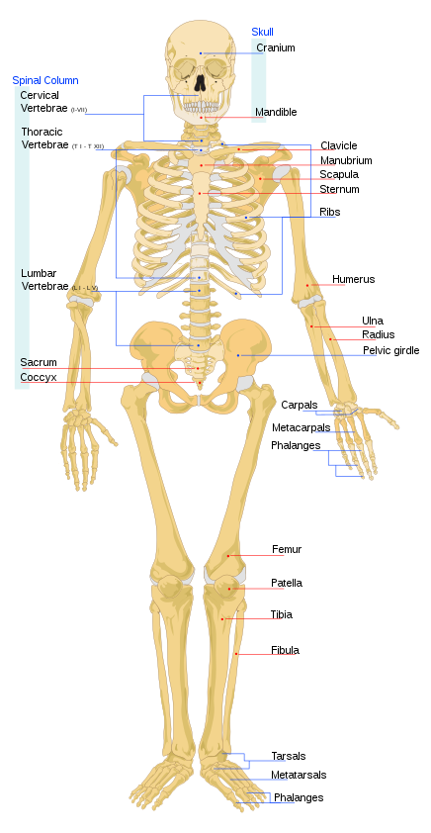
 | https://en.wikipedia.org/wiki/List_of_bones_of_the_human_skeleton
 | Arm | Shoulder girdle | Scapula |  | Left | Right
1 |  |  | Clavicle |  | Left | Right
2
3 |  | Upper Arm | Humerus |  | Left | Right
4 |  | Lower Arm | Radius |  | Left | Right
5 |  |  | Ulna |  | Left | Right
6 |  | Hand | Carpals | Scaphoid | Left | Right
7 |  |  |  | Lunate | Left | Right
8 |  |  |  | Triquetral | Left | Right
9 |  |  |  | Pisiform | Left | Right
10 |  |  |  | Trapezium | Left | Right
11 |  |  |  | Trapezoid | Left | Right
12 |  |  |  | Capitate | Left | Right
13 |  |  |  | Hamate | Left | Right
14 |  |  | Metacarpals | 1 | Left | Right
15 |  |  |  | 2 | Left | Right
16 |  |  |  | 3 | Left | Right
17 |  |  |  | 4 | Left | Right
18 |  |  |  | 5 | Left | Right
19 |  |  | Phalanges of the hand | Proximal phalanges (10) | Left | Right
20 |  |  |  | Intermediate phalanges (8) | Left | Right
21 |  |  |  | Distal phalanges (10) | Left | Right
22 | Pelvis | Ilium |  |  | Left | Right
23 |  | Ischium |  |  | Left | Right
24 |  | Pubis |  |  | Left | Right
25 | Leg | Femur |  |  | Left | Right
26 |  | Patella |  |  | Left | Right
27 |  | Tibia |  |  | Left | Right
28 |  | Fibula |  |  | Left | Right
29 |  | Foot | Tarsus/Tarsals | Calcaneus | Left | Right
30 |  |  |  | Talus | Left | Right
31 |  |  |  | Navicular | Left | Right
32 |  |  |  | Medial Cuneiform | Left | Right
33 |  |  |  | Intermediate Cuneiform | Left | Right
34 |  |  |  | Lateral Cuneiform | Left | Right
35 |  |  |  | Cuboid | Left | Right
36 |  |  | Metatarsals | 1 | Left | Right
37 |  |  |  | 2 | Left | Right
38 |  |  |  | 3 | Left | Right
39 |  |  |  | 4 | Left | Right
40 |  |  |  | 5 | Left | Right
41 |  |  | Phalanges | Proximal phalanges (10) | Left | Right
42 |  |  |  | Intermediate phalanges (8) | Left | Right
43 |  |  |  | Distal phalanges (10) | Left | Right

